1. About the Development
Multi-Unit Development Waste Space Calculator - About the Development

1. Type of Development
 |  |  |  | Enter details in the white cells
Address of the development | The address of the Multi-Unit Development goes here

Consent number | 0

Type of collection service proposed (see examples in photos below) | Kerbside Collection | *Note that where there are 10 or more dwellings in a building, a COMMUNAL collection service is usually recommended.
Who will be responsible for waste on a day-to-day basis? | Residents Themselves | The owner & manager of multi-unit developments must make provision for management and transport of waste in the complex.
Who will the collection service provider be?
Will glass be separated from other recyclables? | Yes
Does the development have rubbish chutes? | Yes
Will paper and cardboard be separated from other recyclables? | Yes

What information will be provided to residents on the use of bins & chutes?

Will collection vehicles drive into the complex? | Collection vehicles will drive onto the property and WILL reverse. |  | A waver form may be required to allow for on property collections. See the Waiver Form tab

For kerbside collection, describe arrangements for safely positioning
bins on the kerbside during collection days.

Property types and typical waste collection methods
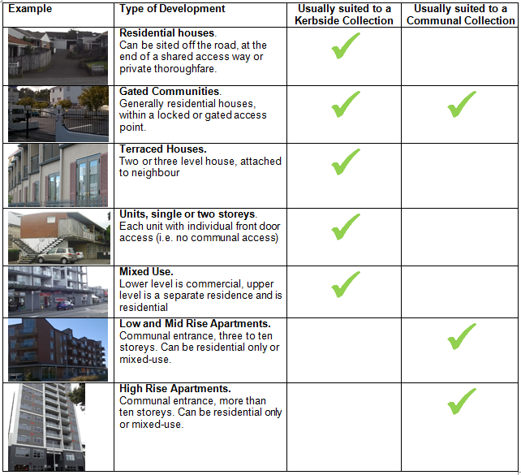

2. Residential Waste Space
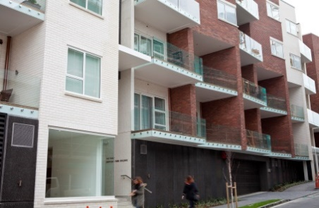
Multi-Unit Development Waste Space Calculator - Residential Waste
1. Enter the number of units broken down by quantity of bedrooms.

1. About the development

Number of studio and 1 bedroom units |  | 10 | Total Weekly Residential Waste |  | 1200 litres |  | Instructions
Number of 2 bedroom units |  | 0 |  |  |  | #REF! | Enter the information about your development in the white cells.
Number of 3 bedroom units |  |  | Total number of bedrooms |  | 10 |  | The calculator will provide you with the bins and the space required to store & manoeuvre them.
This is the floor space required to store the bins selected below. It includes an allowance for the space needed to manouvre bins.
Number of 4 or more bedroom units |  |  | Total maximum occupancy |  | 20 | 10 | NOTE: The volume of the bins selected must be greater than the litres collected.
 |  |  | Residential waste room space required |  | 8.4m²
One food/recycle/refuse bin set per unit? |  | No | Total residential bins selected |  | 10

2. Enter the number of food scrap bins the complex requires.
3. Enter the number of Recycling bins the complex requires.
4. Enter the number of Refuse bins the complex requires.
2. Parakai - Food Scraps |  |  | 3. Hangarua - Recycling |  |  |  | 4. Parahanga - Refuse
Collection Frequency | Collection Volume |  | Collection Frequency | Collection Volume |  |  | Collection Frequency | Collection Volume
Weekly | 72 litres |  | Fortnightly | 1248 litres |  |  | Weekly | 504 litres

 | Bins Reqd. by Size | Bins Selected |  | Bins Reqd. by Size | Bins Selected |  |  | Bins Required by Size | Bins Selected
6 litre Kitchen Caddy | 10 | 0 | 80 litre recycling bins for Fortnightly collection | 15.6 | 0 |  | 80 litre bins for Weekly collection | 7 | 0
23* " | 3 | 0 | 120 " | 11 | 0 |  | 120 " | 5 | 0
80* " | 1 | 1 | 140 " | 11 | 0 |  | 140 " | 5
120 " | 1 | 0 | 240 " | 6 | 6 |  | 240 " | 3 | 3
240 " | 1 | 0 | 360 " | 4 | 0 |  | 360 " | 2 | 0
660 " | 1 | 0 | 660 " | 2 | 0 |  | 660 " | 1 | 0
Worm Farm or Compost Container | 3 |  | 1100 " | 2 | 0 |  | 1100 " | 1 | 0
 |  |  | 1500 " | 1 | 0 |  | 1500 " | 1 | 0
 |  |  | 45 litre Glass Crate, Fortnightly collect |  |  |  | 3000 " | 1 | 0
 |  |  | 240 litre Glass Bin, Fortnightly collect |  |  |  | 4000 " | 1 | 0
 |  |  | 3000 litre Paper/Card Cage, Fortnightly collect |  | 0
 |  |  | 600 litre Fadge Bag for Fortnightly collect |  | 0

 |  | You haven't selected enough food scraps bins |  |  | You haven't selected enough Recycling Bins |  |  |  | You haven't selected enough Refuse Bins

Volume of food scraps bins |  | 80 litres | Volume of recycling bins |  | 1440 litres |  | Volume of refuse bins |  | 720 litres
Footprint of food scraps bins |  | 0.3m² | Footprint of recycling bins |  | 2.6m² |  | Footprint of refuse bins |  | 1.3m²

 |  |  |  |  |  |  | Total residential waste room space required |  | 8.4m²
 |  |  |  |  |  |  | Includes an allowance for manouvering bins.

3. Commercial Waste Space
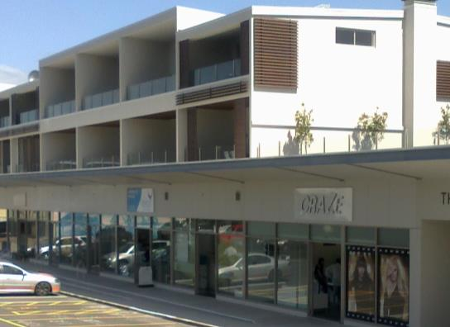
1. Enter the details of the complex including the method to calculate waste volume (Size m2 OR Maximum Occupants) & frequency of commercial collections.
Multi-Unit Development Waste Space Calculator - Commercial Space

1. About the development
 |  |  |  |  |  |  | Instructions
 | Size m2 | Maximum Occupants | Total Waste by Size m2 | Total Waste by Occupants |  |  | Enter the information about your development in the white cells.
Office | 10 |  | 10 litres | 0 litres |  |  | NOTE: The volume of the bins selected must be greater
General Retail | 0 |  | 0 litres | 0 litres |  |  | than the litres collected.
Food Retail | 0 | 0 | 0 litres | 0 litres
Restaurant, café, takeaway | 0 | 0 | 0 litres | 0 litres |  |  | Total Waste |  | 10 litres
This is the floor space required to store the bins selected below. It includes an allowance for the space needed to manouvre bins.
Bar | 0 | 0 | 0 litres | 0 litres
Medical & Dental | 0 | 0 | 0 litres | 0 litres |  |  | Commercial waste room space required |  | 7.6m²
Total | 10 | 0 | 10 litres | 0 litres |  |  | Total commercial bins selected |  | 8

2. Enter the number of food scraps bins the complex requires.
3. Enter the number of Recycling bins the complex requires.
4. Enter the number of Refuse bins the complex requires.
2. Parakai - Food Scraps |  |  | 3. Hangarua - Recycling |  |  |  | 4. Parahanga - Refuse
Collection Frequency | Collection Volume |  | Collection Frequency |  | Collection Volume |  | Collection Frequency | Collection Volume
Weekly | 1 litres |  | 5 per week |  | 1 litres |  | 4 per week | 1 litres

 | Bins Required by Size | Bins Selected |  |  | Bins Required by Size | Bins Selected |  | Bins Required by Size | Bins Selected
23 litre bins for Weekly collection | 0 | 0 | 80 litre bins for 5 per week collection |  | 1 | 1 | 80 litre bins for 4 per week collection | 1 | 0
80 " | 1 | 1 | 120 " |  | 1 | 0 | 120 " | 1 | 0
120 " | 1 | 0 | 140 " |  | 1 |  | 140 " | 1
240 " | 1 | 0 | 240 " |  | 1 | 0 | 240 " | 1 | 5
660 " | 1 | 0 | 360 " |  | 1 | 0 | 360 " | 1 | 0
Worm Farm or Compost Container | 1 | 0 | 660 " |  | 1 | 0 | 660 " | 1 | 1
 |  | 0 | 1100 " |  | 1 | 0 | 1100 " | 1 | 0
 |  |  | 1500 " |  | 1 | 0 | 1500 " | 1 | 0
 |  | 0 | 45 litre Glass Crate, Collection Frequency collect |  |  |  | 3000 " | 1 | 0
 |  |  | 240 litre Glass Bin, 5 per week collect |  |  | 0 | 4000 " | 1 | 0
 |  |  | 3000 litre Paper/Card Cage, 5 per week collect |  |  | 0
 |  |  | 600 litre Fadge Bag for 5 per week collection |  |  | 0
 |  | You haven't selected enough Organic Waste Bins |  |  |  | You haven't selected enough Recycling Bins |  |  | You haven't selected enough Refuse Bins

Volume of food scraps bins |  | 80 litres | Volume of recycling bins |  |  | 80 litres | Volume of refuse bins |  | 1860 litres
Footprint of food scrap bins |  | 0.3m² | Footprint of recycling bins |  |  | 0.3m² | Footprint of refuse bins |  | 3.2m²

 |  |  |  |  |  |  | Total commercial waste room space |  | 7.6m²
 |  |  |  |  |  |  | Includes an allowance for manouvering bins.

4. Sample Waste Plan
Multi-Unit Development - Sample Waste Plan

About the development

The address of the Multi-Unit Development goes here |  |  |  | Instructions
Consent Number | 0 |  |  | This page caputures the information from the other pages to create your Waste Plan.
 |  |  |  | You do not need to enter any information on this sheet.
1. Collection Service: The collection service will be a Kerbside Collection |  |  |  | Enter this data onto your own Waste Plan Format or print this page out on A3 and submit it along with plans that show your waste room and other waste facilities and details.
2. Service Provider: The Service Provider will be
3. Responsibility for waste: Residents Themselves will be responsible for waste management on a day-today basis.
4. Will glass be separated from other recyclables?: Yes
5. Are Rubbish Chutes to be installed?: Yes
5. Information. What information will be provided to residents on the use of bins & chutes?

6. Access: Will collection vehicles drive into the complex?: Collection vehicles will drive onto the property and WILL reverse. |  |  |  | Total Weekly Waste |  | 1210 litres
 |  |  |  | Total bins required |  | 18

Residential |  | Commercial
Number of studio and 1 bedroom units | 10 |  | Size m2 | Max. Occupants | Waste by m2 | Waste by Occupant
Number of 2 bedroom units | 0 | Office | 10 | 0 | 10 | 0
Number of 3 bedroom units | 0 | General Retail | 0 | 0 | 0 | 0
Number of 4 or more bedroom units | 0 | Food Retail | 0 | 0 | 0 | 0
Total number of bedrooms | 10 | Restaurant, café, takeaway | 0 | 0 | 0 | 0
Food scrapas collection frequency | Weekly | Bar | 0 | 0 | 0 | 0
Recycling collection frequency | Fortnightly | Medical & Dental | 0 | 0 | 0 | 0
Refuse collection frequency | Weekly |  | 10 | 0 | 10 | 0

1. Parakai - Food Scraps |  | 2. Hangarua - Recyclables |  | 3. Parahanga - Refuse |  |  | `
Residential Collection |  | Residential Collection |  | Residential Collection
Weekly Food Scraps | 72 litres | Fortnightly | 1248 litres | Weekly |  | 504 litres
Commercial Collection |  | Commercial Collection |  | Commercial Collection |  |  | `
Weekly Food Scraps | 1 litres | 5 per week | 1 litres | 4 per week |  | 1 litres

 | Bins Selected |  | Bins Selected |  |  | Bins Selected
6 litre Kitchen Caddy | 0 | 80 litre bins for Fortnightly collection | 1 | 80 litre bins for Weekly collection |  | 0
23 litre bins | 2 | 120 " | 0 | 120 " |  | 0
80 " | 0 | 140 " | 0 | 240 " |  | 8
120 " | 0 | 240 " | 6 | 360 " |  | 0
240 " | 0 | 360 " | 0 | 660 " |  | 1
660 " | 0 | 660 " | 0 | 1100 " |  | 0
Worm Farm or Compost Container | 0 | 1100 " | 0 | 1500 " |  | 0
 |  | 1500 " | 0 | 3000 " |  | 0
 |  | 45 litre Glass Crate | 0 | 4000 " |  | 0
 |  | 240 litre Glass Bin | 0
 |  | 3000 litre Paper/Card Cage | 0
 |  | 600 litre Fadge Bag | 0
 | You haven't selected enough Organic Waste Bins |  | You haven't selected enough Reycling Bins |  |  | You haven't selected enough Refuse Bins

Volume of food scraps bins | 160 litres | Volume of recycling bins | 1520 litres | Volume of refuse bins |  | 2580 litres |  | 5
Footprint of food Scraps bins | 0.6m² | Footprint of recycling bins | 2.9m² | Footprint of refuse bins |  | 4.5m²

This is the total space that needs to allocate to tboth RESIDENTIAL & COMMERCIAL waste area. It includes space for manuvering bins and takes into account the frequency of collections specified.
4. Inorganic

Inorganic Collection Volume | 2m³ |  |  | Kerbside space required |  | 8.0m²

Waste Guidelines
Multi-Unit Development - Developer Guidelines

Developments with an INDIVIDUAL KERBSIDE waste Collection | Developments with a COMMUNAL waste Collection
Things to Do:
1. Provision needs to be made for the correct separation and storage of recycling, organic waste and refuse within the development. Storage of individual bins/bags should be within the boundary of each property.
2. Calculate the space needed for the placement of the bins/bags on the kerbside. Allow adequate street frontage at the development for the safe placement of all bins/bags for collection. Refer to the notes for standard bin sizes and footprints.
3. Allow for issues such as parked cars, rain gardens, road width, terrain, parking restrictions etc. Bins must not obstruct pedestrians or street furniture, Check that collection vehicles can access and collect the bins/bags. Refer to notes on collection vehicle sizes.
4. Consider designs to reduce the distance that occupants will have to transport their waste.
Check if kerbside will be from a dedicated single location (e.g. at the end of a lane) or that the collection vehicle will travel through the development to collect from outside each property.
To allow for a collection vehicle on site the access road/driveway must be developed to the relevant roading standards as specified by the New Zealand Transport Authority, Auckland Transport or the appropriate Plan.
5. It is essential that for on-site collections an access waiver be specified in the deed of sale document and that it is signed by the developers and owners prior to the start of collection. An example access waiver form (as would be required for any Auckland Council provided on site collection service) is included at the end of this guideline.
Tips:
Storage needs to be sized to accommodate all waste from the property. Occupants may have the option to choose different bin sizes or bags from their own service provider
If collection is from the kerbside, consider how this may adversely affect neighbouring properties. Large numbers of bins on the kerbside can reduce the amenity of neighbouring properties on collection days.
Ensure the terrain allows for safe and appropriate bin/bag placement and collection.
A long walk to a collection point discourages waste separation.
Preference for onsite collections is to develop the property so that the collection vehicle can drive straight through or around. A turning circle may be required to prevent collection vehicles from reversing.
Reduce the health and safety risk to occupants and road users by designing the development to reflect its use (e.g. road signage, planning recreation areas and playgrounds away from collection point etc.).
The access road/driveway must include appropriate road width, gradient, strength, car parking, turning circles, overhanging trees etc. to allow for a collection vehicle on site.
If there will be a Council contractor coming onto the site, then the easements will need to reflect this right of access. This would be in the form of an easement in gross.
An easement in gross would ideally be established when the Land Transfer Plan for the subdivision or Unit Title is being prepared and signed off by the Resource Consents Department of Council. Otherwise this will need to be done as an s348 LGA74 approval as a separate step – either one is appropriate, but the former will be preferable as it will not result in any additional processing fees or survey costs.
Things to Do:
1. The owner and manager of multi-unit developments need to make provision for the management and transport of waste in the complex. This may be the Body Corporate or an onsite property manager.
2. Note that rateable properties within Auckland pay a fixed waste fee as part of their rates. This entitles them to a standard (or equivalent) service. For more information on the Auckland Council service that is available for the occupants of this development please call 09 3010101.
3. Provision needs to be made for the correct separation and storage of recycling, organic waste and refuse within the development. The storage area needs to be kept clean and hygienic and also free of pests.
4. The New Zealand Building Code: Clauses C and G15 – Solid Waste will need to be adhered to. This includes:
Accessibility for residents and collection
Ventilation and odour control
Cleaning facilities
Vermin management
Noise management
Chute systems including fire assessment
5. Ensure bins can be easily manouvered from the waste space to the collection vehicle. Check the bins can fit through doors and gates. Check that there are no lips or steps and make ensure that bins can be safely wheeled up and down ramps by the the collection operator.
Tips:
Establish who will be responsible for:
1. Waste on a day-to-day basis. The contract agreement and related clauses in the building operations manual should be provided with the application.
2. Transportation of waste from the individual unit/apartment to the storage room.
3. Transportation of the bins or bags to the collection point.
Ensure consent clauses relating to waste are included in the building operations manual.
Due to the differing volumes, types and frequency of waste collections between residential and commercial occupants it is recommended that these be stored in separate storage areas.
Communal storage rooms this should be sized to accommodate total volume of refuse, recycling and organics produced by all occupants of the building.
Renaming refuse rooms as Resource Rooms will send a more positive message and is in line with Zero Waste aspiration of Auckland.
Consider the floor area required for bins, space required for users access to the bins as well as the space required for the manoeuvring of the bins for collection.

Developing a Waste Minimisation Plan
Having selected the type of development, the preferred service (Individual or Communal) and the estimated volume of waste, you should now have the main elements of your Waset Management Plan. Ensure you've covered the main points below before sumitting your waste plan.
Development Details
Number of dwellings and maximum occupancy.
Estimated total weekly refuse, recycling and organic waste. Include calculations of waste volumes for any commercial spaces (e.g. office or cafes) in the development.
Whether units will have an INDIVIDUAL KERBSIDE COLLECTION or will there be a COMMUNAL ONSITE COLLECTION.
Building Management
Indicate what provisions have been made for the separation and storage of recycling, organic waste and refuse within the kitchen area.
Identify who will be responsible for the management of the communal collection area (e.g. cleanliness & contamination). Will there be a body corporate and onsite manager.
Identify who the service provider for the development will be.
Information on the appropriate use of the bins, communal storage area or chutes should be communicated to occupants at the time of first occupancy and as occupants change. The information, signage and communications should overcome language barriers. Management of waste also needs to be included in the Building Operations Manual.
Waste Storage for Individual Kerbside Collection (if applicable)
Indicate how much kerbside space is required for placement of bins on the kerbside.
Indicate what effect the placement of bins for collection from public property will have on the streetscape, safety and amenity. The terrain should allow safe transport and placement of bins.
Indicate that the collection vehicle can access and empty the bins. Consider parked cars, rain gardens, road width, terrain, parking restrictions etc.
Waste Storage for Communal Onsite Collection (if applicable)
Waste rooms need to be compliant with the Building Code. Provide a plan of the waste room that identifies the location and size of the waste room as well as provisions for washing down, ventilation, pollution and pest control.
Indicate which bin sizes, quantities and bin colours will be used? Provide a calculation showing adequate bin sizes have been allowed given the frequency of collection for organic, recycling and refuse.
Identify the arrangements for each type of waste. All types should be equally easy to dispose of.
Chutes are not a preferred option for the separation of waste. If chutes are to be used, indicate how will occupants separate their refuse, recycling and organic waste and how blockages be managed.
Collections
Indicate what the frequency of collection is for each waste type, daily, week day, weekly or fortnightly.
Indicate how onsite collections will be made. Preference is to develop the property to allow collection vehicles to drive through or around without reversing.
Indicate how the road specification will allow for a collection vehicle to access the site, including gradient, width, turning circles & signage.
A solid waste access waiver may need to be provided to Council for onsite collections. It is recommended that this be included as part of the deed of sale document and is signed by the developers and owners prior to the start of collection.
Indicate how local streets and lanes will be used to collect waste. Preference is for drive-through access so that collection vehicles don not reverse.
Building Code
If relevant, the requirements of the Building Code, C and G15 – Solid Waste will need to be adhered to. These include:
Accessibility
Ventilation
Odour control
Cleaning facilities
Vermin management
Noise management
Chute systems
Waste carrying distances
http://www.dbh.govt.nz/UserFiles/File/Publications/Building/Compliance-documents/G15-Solid-Waste-30-sept-2010.pdf

Waiver Form
Multi-Unit Development - On Property Collection Waiver Form
Date
Property Address
C/- Solid Waste Unit
WAIVER FOR ACCESS ONTO PRIVATE PROPERTY BY AUCKLAND COUNCIL APPROVED CONTRACTOR VEHICLES FOR THE COLLECTION OF REFUSE, RECYCLING AND INORGANIC MATERIALS.
The owner of the private property access way (Access Way) as named in this notice has requested the collection of their solid waste to happen inside their property. This notice confirms that Auckland Council (Council) and/or their approved Solid Waste collection contractors will not be liable for any damage:
1. Caused by their collection vehicles (Collection Vehicles) to the carriageway surface, kerbs or channels of the Access Way; or
2. To any utilities or infrastructure running under the ground or beside the Access Way.
Clear & Unimpeded Access
All Access Ways, including any temporary routes or deviation (s) that maybe required by the Property Owner or Authorised person, shall be kept clear of all obstructions during the times waste is being collected. This will allow the Collection Vehicles to complete waste collections without being required to deviate off the carriageway surface, mount kerbs or channels.
Collection Vehicles
For the avoidance of doubt, the term Collection Vehicles includes all vehicles relating to the duties required to undertake Council’s Solid Waste services provided to the property (s).
Indemnity
The Property Owner or Authorised Person signing this letter shall fully protect, indemnify and hold harmless Council, its officers, employees and agents from and against any direct, indirect or consequential losses (including, without limitation, loss of revenue, opportunity or profits or any other special or punitive losses), liability, damages, actions, proceedings, claims, demands, costs and expenses including (without limitation) solicitor and own client costs, incurred directly or indirectly in connection with or as a consequence of, any breach by the Property Owner or Authorised Person for any term of this agreement or the negligent or wrongful act or default of the Property Owner or Authorised Person or their employees or gents in performing any obligations under this agreement.
Property Street Address:
Property Description:
Authorised by:
Name:
Title:
Phone/fax/mobile:
E-mail Address:
Signed as authorised signatory for the above property:
Date:
* Note: This waiver will override any previous waiver(s) agreed (including any legacy council), for access and provision of Council Solid Waste collection services to the above private property(s). It is agreed that a review of the waiver agreement can be made at any time by either party. Council will not accept any liability for any services provided by non-approved Solid Waste contractors.

Specifications
Multi-Unit Development Waste Bin Calculator - Sample Specifications

Sample Bin Specifications

Bin size (l) | Length (mm) | Width (mm) | Footprint (m2)
23 | 320 | 390 | 0.12
60 | 497 | 460 | 0.23
80 | 530 | 450 | 0.24
120 | 545 | 480 | 0.26
140 | 615 | 535 | 0.33
240 | 730 | 585 | 0.43
360 | 848 | 680 | 0.58
660 | 1260 | 780 | 1.00
1100 | 1260 | 1065 | 1.34
1500 | 2025 | 1280 | 2.59
3000 | 2400 | 1200 | 2.88
4000 | 3000 | 1200 | 3.60

Sample Collection Vehicle Specifications

Side Loading Collection Vehicle |  |  | Front Loading Collection Vehicle
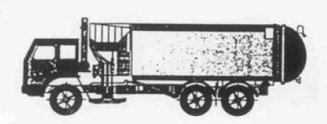 |  |  | 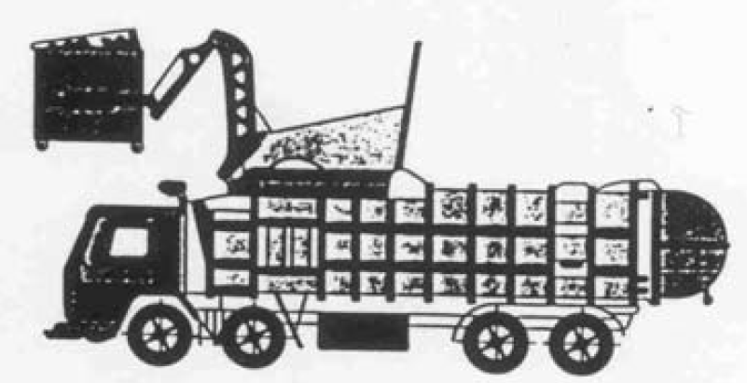

Length overall |  | 9.9m | Length overall | 9.9m
Wheelbase |  | 5.3m | Wheelbase | 5.84m
Driving width |  | 2.5m | Driving width (maximum legal standard vehicle width) | 2.5m
Turning circle (kerb to kerb) |  | 18.7m | Turning circle (kerb to kerb) | 22.1m
Turning circle (wall to wall) |  | 19.2m | Turning circle (wall to wall) | 23.66m
Operational width (standard arm distance) |  | 6m | Travel height | 3.64m
Operational width (extended arm distance) |  | 4.4m | Operational height | 6.1m
Operational Height |  | 3.9m

Road Standard

Specification to allow for a 9.9m, 21 tonne truck (standard waste collection vehicle)
Minimum private road width (should be specifically designed to satisfy the tracking curve profile of the collection vehicle that the developer proposes should be used)
Minimum public road width
Minimum radius of corners
Minimum vertical clearance
Turning circle outside diameter

Assumptions
Assumptions & Data Validation

General

Waste per person (rubbish, recycling & organic) |  | 60 | litres per week
Occupancy Rate |  | 2 | people per bedroom
Refuse volume |  | 42% | of total waste
Recycling volume |  | 52% | of total waste
Organic volume |  | 6% | of total waste
Paper volume |  | 20% | of total waste
Glass volume - Percentage that glass is of total recycling. Default is 8% |  | 8% | of total waste
...
Bin Sizes & Footprints
1500 |  | 2025 | 1280 | 2.592 | 1205
3000 |  | 2400 | 1200 | 2.880
4000 |  | 3000 | 1200 | 3.600
45 | Glass Crate | 522 | 450 | 0.235
240 | Glass Bin | 730 | 585 | 0.427 | 1060
3000 | Paper/Card Cage | 1800 | 1500 | 2.700
600 | Fadge Bag | 700 | 700 | 0.490
 | Worm Farm or Compost Container | 600 | 650 | 0.390

Worm Farm or Compost Container | Processing Capacity Per Bin | 3.6 | Litres Per Day* | *1 litre of organic waste = 0.55kg (WRAP, 2015)
Enter the processing capacity of your Compost or Worm Farm here.
Default value is 3.6 litres per day.

Collection Frequency

Collections per fortnight |  | None | 0.00
 |  | Daily | 14.00
 |  | 2 per week | 4.00
 |  | 3 per week | 6.00
 |  | 4 per week | 8.00
 |  | 5 per week | 10.00
 |  | 6 per week | 12.00
 |  | Weekly | 2.00
 |  | Fortnightly | 1.00
 |  | Yearly | 0.03

Inorganic waste

Volume of material set out for collection per unit |  | 1.00 | Cubic Metres
Percentage of units that participate in inorganic collections |  | 20% | Default value is 20%

This is the percentage of units that will place some items out for inorganic collections.

Commercial Waste
 |  | Litres m2 | Litres/employee/day | Days open per week
Office |  | 1.00 | 4 | 5
General Retail |  | 2.00 | 55 | 6
Food Retail |  | 8.00 | 70 | 7
Restaurant, café, takeaway |  | 8.00 | 60 | 7
Bar |  | 2.00 | 60 | 7
Medical & Dental |  | 2.00 | 40 | 5

